POINT 11
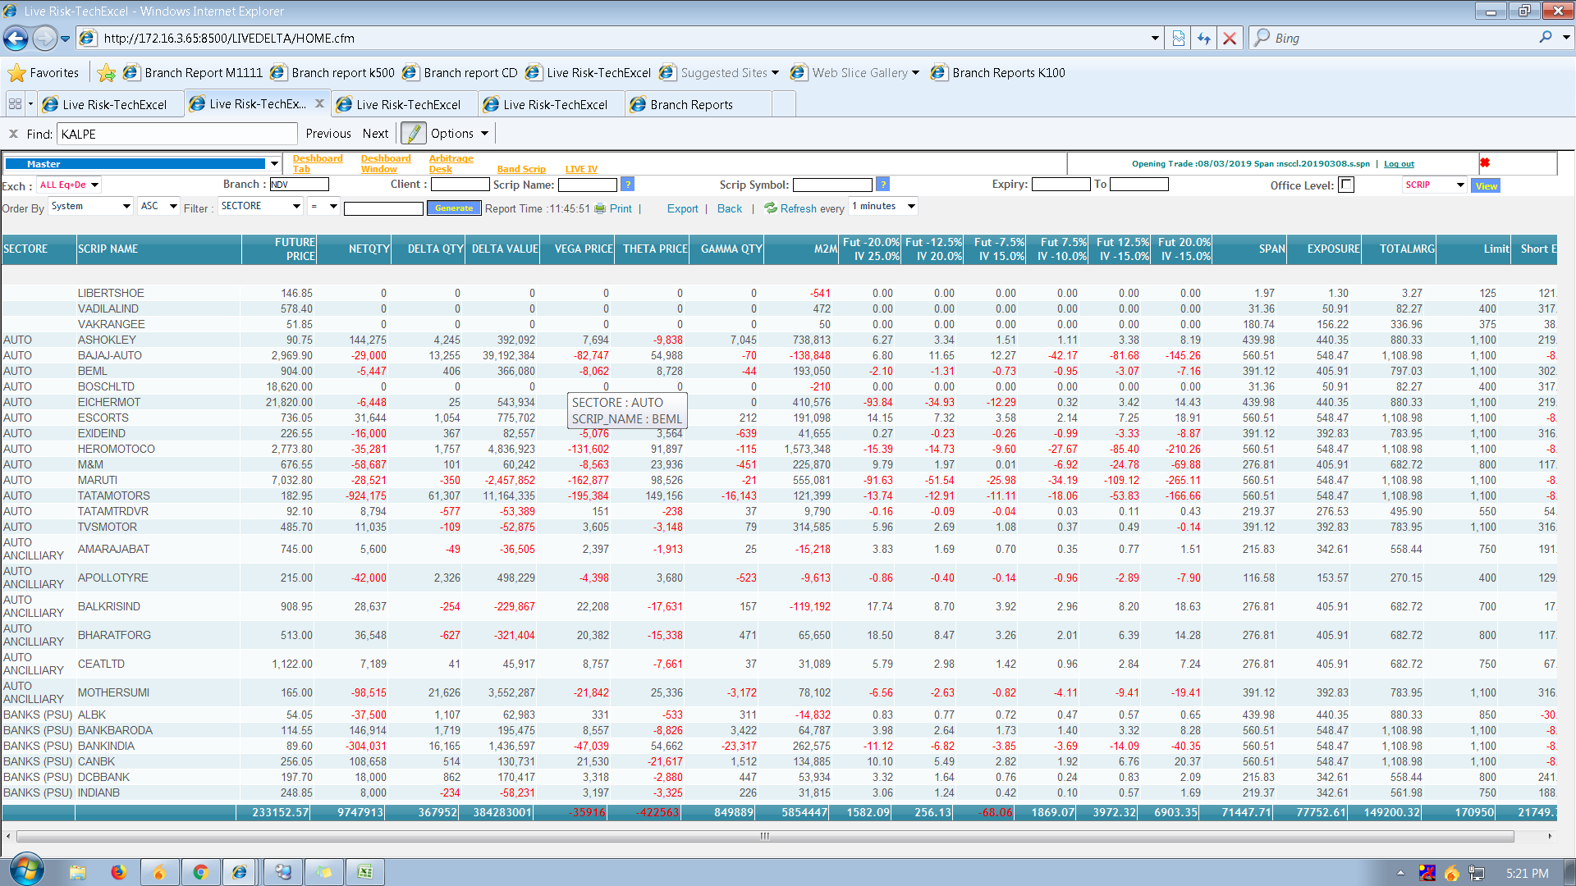
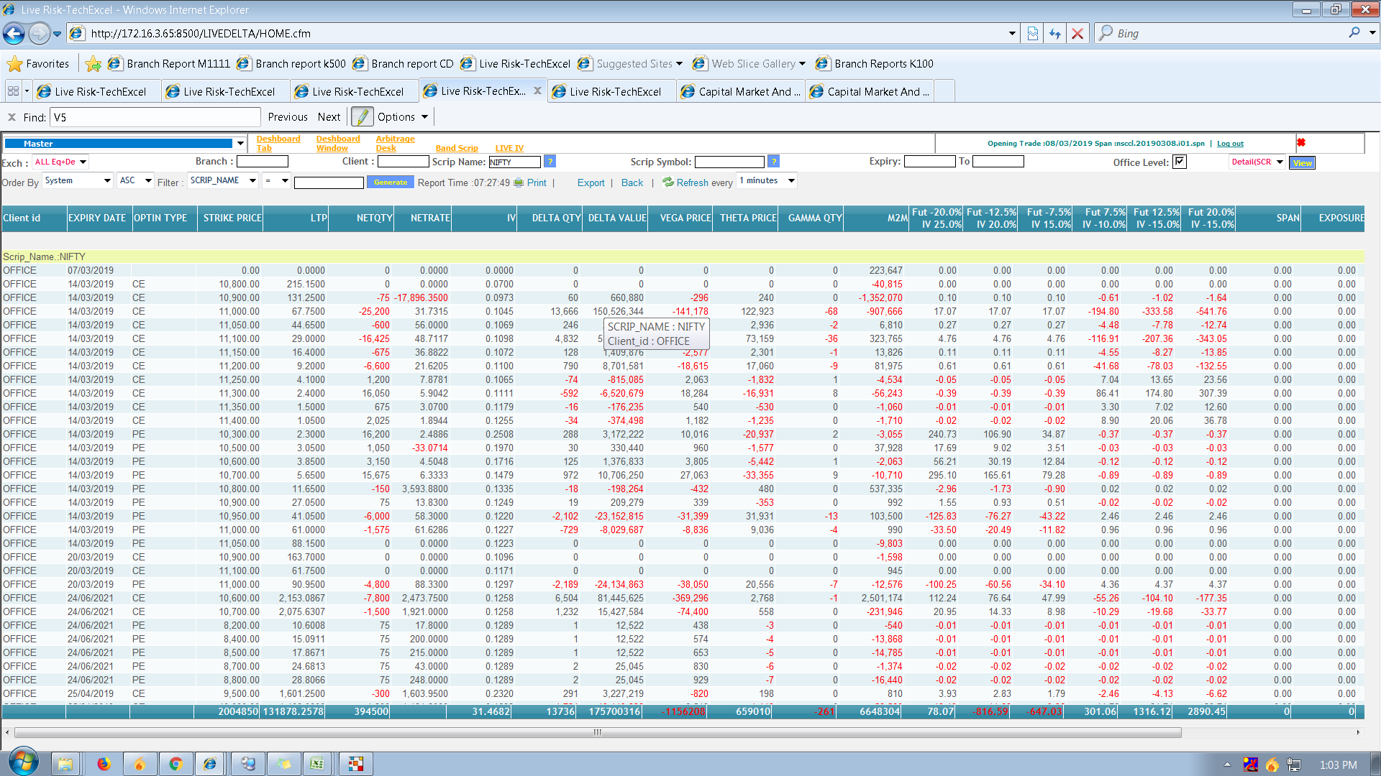

 | ALSO BY CLICK ON STRIKE SHOULD OPEN CLIENT WISE POSITION IN PARTICULAR STRIKE

this report which we open strike wise, give an option to open from scriptwise and has group wise filter also
some checkbox in front of each scriptname from where we can open particular script strike wise

POINT 15
 | opening & LIVE ban position should show cumilative in this format |  |  |  |  |  |  |  |  |  |  |  |  |  |  | ADD master where we can input ban scripts

B02 VOILATED FUT BY 1 LOT
D05 VOILATED FUT BY 2 LOT
G03 VOILATED 280CE BY 1LOT
 |  | Symbol | Expiry | Strike | Option | Opening Qty | Buy Qty | SellQty | NetQty | status which trader voileted |  | LONG | SHORT |  | LONG | SHORT
 | K100 | JETAIRWAYS | 28-Mar-2019 | 240 | CE | (2200) | 0 | 0 | -2200 | INPUT |  | 0 | -2200 |  | 0 | -2200
 | K100 | JETAIRWAYS | 28-Mar-2019 | 280 | CE | 68200 | 0 | 2200 | 66000 |  |  | 68200 | 0 |  | 66000 | 0
 | K100 | JETAIRWAYS | 28-Mar-2019 | 300 | CE | (22000) | 0 | 0 | -22000 |  |  | 0 | -22000 |  | 0 | -22000
 | K100 | JETAIRWAYS | 28-Mar-2019 |  |  | 4400 | 0 | 0 | 4400 |  |  | 4400 | 0 |  | 4400 | 0
 | K100 | JETAIRWAYS | 28-Mar-2019 | 160 | PE | 4400 | 0 | 0 | 4400 |  |  | 4400 | 0 |  | 4400 | 0

 |  |  |  |  |  |  |  |  |  |  |  | 77000 | -24200 |  | 74800 | -24200
 |  |  |  |  |  |  |  |  |  |  |  | 101200 |  | TRUE | 99000 |  | SHOW LOT WISE VOILATION STATUS
 |  |  |  |  |  |  |  |  |  |  |  |  |  |  |  |  | NET QTY / LOT SIZE

 |  | Symbol | Expiry | Strike | Option | BfQty | PurQty | SellQty | NetQty |  |  | LONG | SHORT |  | LONG | SHORT
 | K100 | RPOWER | 28-Mar-2019 | 13 | CE | 32000 | 0 | 0 | 32000 |  |  | 32000 | 0 |  | 32000 | 0
 | K100 | RPOWER | 28-Mar-2019 | 19 | CE | 16000 | 0 | 0 | 16000 |  |  | 16000 | 0 |  | 16000 | 0

 |  |  |  |  |  |  |  |  |  |  |  | 48000 | 0 |  | 48000 | 0 | SHOW LOT WISE VOILATION STATUS
 |  |  |  |  |  |  |  |  |  |  |  | 48000 |  | TRUE | 48000 |  | NET QTY / LOT SIZE

 | working to find which trader voilated the office level ban position (INCRESED OPEN INTREST AT OFFICE LEVEL)

 |  | ACCORDING TO OPENING POSITION IN JETAIRWAYS OI IS 101200
 |  | EXAMPLE OF TRADES ARE AS FOLLOW
TRADE TIME | TRADER B.O CODE | SCRIPT | EXPIRY | STRIKE | OPTION | QTY | OI CALCULATIONI
 |  |  |  |  |  |  | 101200
9.20AM | A01 | JETAIRWAYS | 28-Mar-19 | 160 | PE | 2200 | 103400 |  | A01 | 1 |  | JETAIRWAYS | 28-Mar-2019 | 240 | CE | (2200)
9.23AM | B02 | JETAIRWAYS | 28-Mar-19 |  | FUT | -2200 | 101200 |  | B02 | -1 |  | JETAIRWAYS | 28-Mar-2019 | 280 | CE | 68200
9.30AM | A01 | JETAIRWAYS | 28-Mar-19 | 280 | CE | -2200 | 99000 |  | A01 | -1 |  | JETAIRWAYS | 28-Mar-2019 | 300 | CE | (22000)
9.30.02AM | H31 | JETAIRWAYS | 28-Mar-19 | 280 | CE | 4400 | 103400 |  | H31 | 2 |  | JETAIRWAYS | 28-Mar-2019 |  |  | 4400
9.40.05AM | A01 | JETAIRWAYS | 28-Mar-19 | 160 | PE | -2200 | 101200 |  | A01 | -1 |  | JETAIRWAYS | 28-Mar-2019 | 160 | PE | 4400
9.50.00AM | B02 | JETAIRWAYS | 28-Mar-19 |  | FUT | 2200 | 103400 |  | B02 | 1
10.00AM | D05 | JETAIRWAYS | 28-Mar-19 |  | FUT | 4400 | 107800 |  | D05 | 2
02.00PM | G03 | JETAIRWAYS | 28-Mar-19 | 280 | CE | 2200 | 110000 |  | G03 | 1 |  | EG(AS PER FIFO BASIS)
02.15PM | T15 | JETAIRWAYS | 28-Mar-19 | 160 | PE | -2200 | 107800 |  | D05 | -1 | IF OI DECRESES BY THE FIRST VOILETED TRADER SHOULD BE EXEMPTED FOR THAT PERTICULAT QTY

 |  |  |  |  |  |  | total voileted lots |  |  | 3

POINT 17
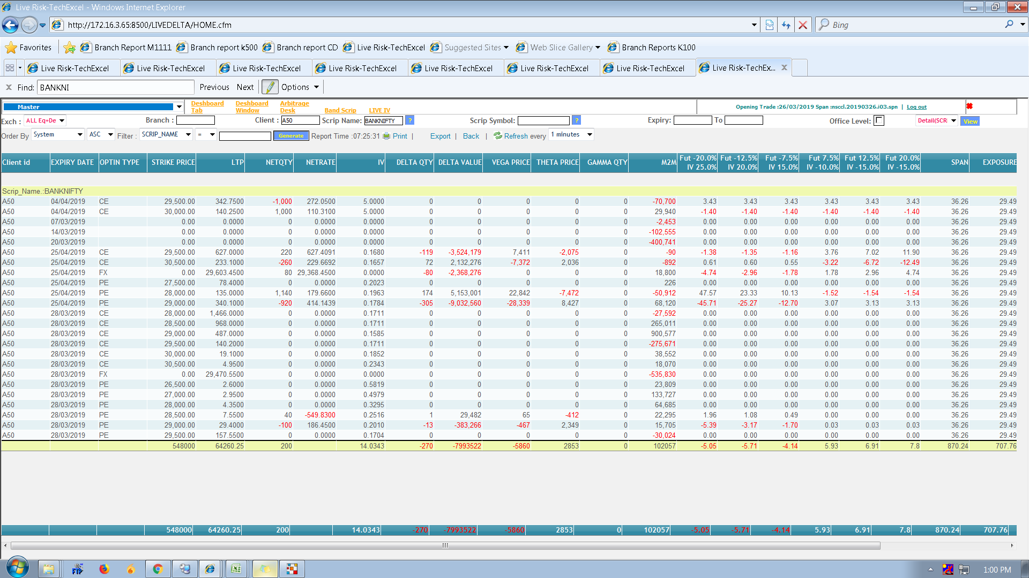
WEEKLY EXIRY DOES NOT SHOW ANY GREEKS PROGRAMER WILL WORK ON IT AND SHOWS WRONG M2M

